Cover page
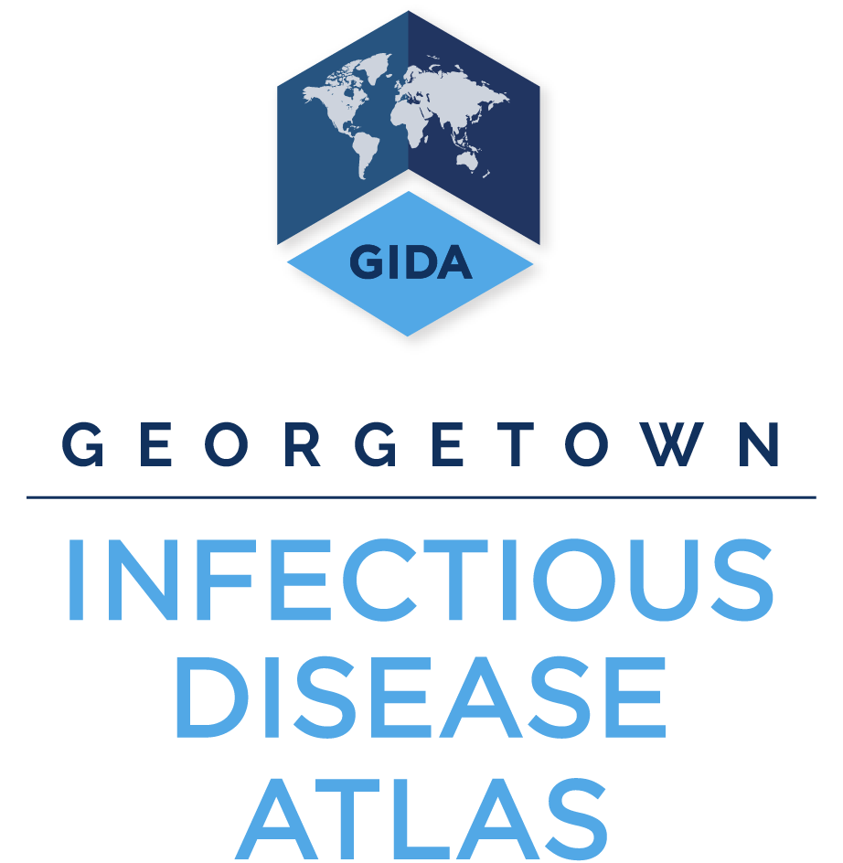
Disease Outbreak News (DONs) data by outbreak
Last updated 2020-06-08
We have migrated several decades of the World Health Organization (WHO) prose reports of Disease Outbreak News (DONs) into a searchable spreadsheet. These data are now organized by a comprehensive data structure for consistent naming conventions for countries, outbreaks, type of disease event, and standard outbreak measures.
The DONs data tab contains structured information obtained from Disease Outbreak News (DONs) articles published by the World Health Organization. The Legend tab provides descriptions of each data column in the DONs data tab. All Disease Outbreak News articles are available online here: https://www.who.int/csr/don/en/

